SUN FCFF
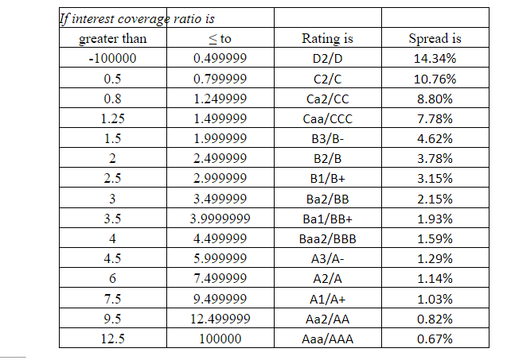
Data for Sun Pharma
IERP | 1.37%
Return Risk free | 6.87%
Beta | 0.68 |  |  | Cost of Debt= Rf + Spread | 7.54%
Cost of equity | 7.80%
Cost of Debt | 7.40%
Debt to equity ratio | 0.20 |  | Tax rate (current) | 24.00%
Weight of Debt | 16.67%
Weight of Equity | 83.33%
WACC | 0.0744
Growth rate for FCFF period 1 - basis- Supernormal growth | 3.06%
Growth rate for FCFF period 2- basis- Industry Growth | 5.83% | Linear Decrease to g2 | 0.02728747871
Growth rate for FCFF period 3- basis- Economy Growth | 4.00% |  | 11.29% | 8.56% | 5.83%
 |  |  |  |  |  |  |  | DATE | 2018 | 2019 | 2020 | 2021 | 2022
Dividend payout ratio (average) | 19.80% |  |  |  |  |  |  | Div payout ratio last 5 ys | 14% | 12% | 23% | 25% | 25%
Retention Ratio(average) | 80.20% |  |  |  |  |  |  | Return on Equity | 20% | 17% | 18% | 14% | 19%
ROE | 17.48% |  |  |  |  |  |  | Average ROE | 17.478%
 |  |  |  |  |  |  |  | AVERAGE DIV PAYOUT | 19.80%
FCFF 2022 , per share | 36.35
No of shares outstanding | 5545540976

FCFF valuation 2 stage model | Stage 1 |  |  |  |  | Stage 2
 | Mar-22 | Mar-23 | Mar-24 | Mar-25 | Mar-26 | Mar-27
FCFF projections/share | 36.35 | 37.47 | 38.61 | 39.80 | 41.02 | 42.65595921
Cash Flows /share | 36.35 | 37.47 | 38.61 | 39.80 | 1,280.90
Net Present value/share | 1,098.03

FCFF valuation 3 stage model | Stage 1 |  |  |  |  | Stage 2 |  |  | Stage 3
 | Mar-22 | Mar-23 | Mar-24 | Mar-25 | Mar-26 | Mar-27 | Mar-28 | Mar-29 | Mar-30
FCFF projections/share | 36.35 | 37.46579681 | 38.61346485 | 39.79628874 | 41.01534539 | 45.64527741 | 49.55230513 | 52.44159916 | 54.53926312
Cash Flows /share | 36.35 | 37.47 | 38.61 | 39.80 | 41.02 | 45.65 | 49.55 | 1,637.74
Net Present value/share | 1,222.64

Source of Data | Annual report | www.screener.in

Sun Pharma FCFE
Data for Sun Pharma
IERP | 1.37%
Return Risk free | 6.87%
Beta | 0.68

Cost of Equity | 7.804%
Growth rate for earnings period 1 - Supernormal growth | 2.97%
Growth rate for earnings period 2- Industry Growth | 5.83%
Growth rate for earnings period 3- Economy Growth | 3.223% | (We will not omit 2019-20 year, eventhough covid skewed the growth rate which was around 5-6% to a mere 3-4% )
 |  |  |  |  |  |  |  | DATE | 2018 | 2019 | 2020 | 2021 | 2022
Dividend payout ratio (average) | 19.80% |  |  |  |  |  |  | Div payout ratio last 5 ys | 14% | 12% | 23% | 25% | 25%
Retention Ratio(average) | 80.20% | Linear Decrease to g2 | 0.02728747871 |  |  |  |  | Return on Equity | 20% | 17% | 18% | 14% | 19%
ROE | 17.478% |  | 11.29% | 8.56% | 5.83% |  |  | Average ROE | 17.478%
Growth(g)= | 14.02% |  |  |  |  |  |  | AVERAGE DIV PAYOUT | 19.80%
FCFE 2022 , per share | -233.04 | Here as we are getting a -ve FCFE value we will have to go with the ROE* Total Shareholder's Equity as a proxy for FCFE.
No of shares outstanding | 2399334970
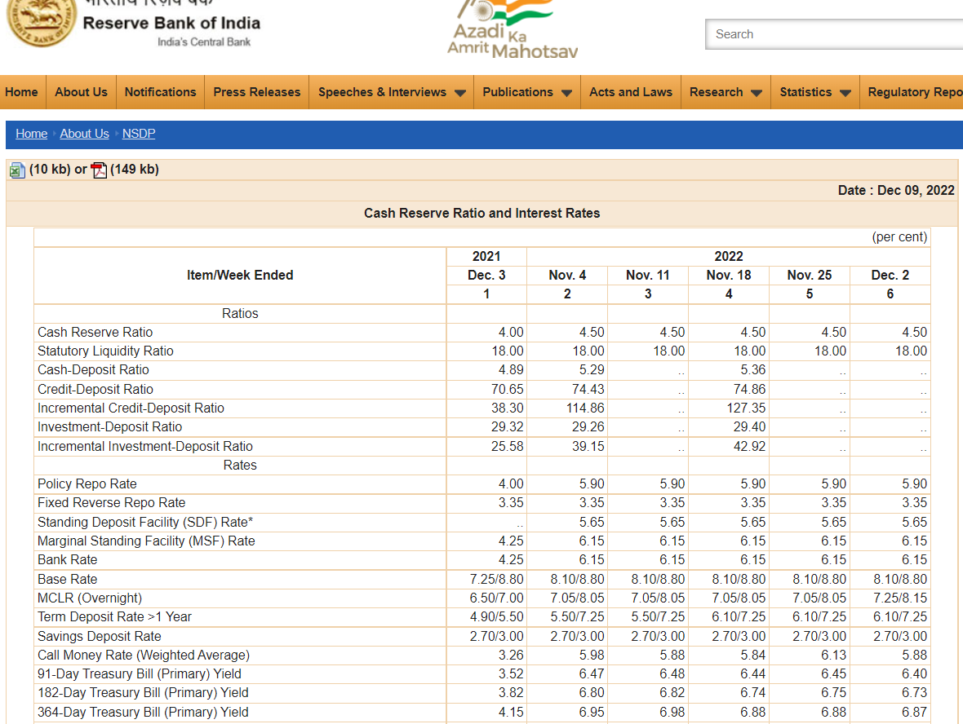
FCFE PROXY | 3272.73
FCFE PROXY/share | 13.64015463
FCFE valuation 2 stage model | Stage 1 |  |  |  |  | Stage 2
 | Mar-22 | Mar-23 | Mar-24 | Mar-25 | Mar-26 | Mar-27
FCFE projections/share | 13.64 | 24.58 | 44.29 | 79.81 | 143.83 | 148.4618668
Cash Flows /share | 13.64 | 24.58 | 44.29 | 79.81 | 7,669.34
Net Present value/share | 5,816.65

FCFE valuation 3 stage model | Stage 1 |  |  |  |  | Stage 2 |  |  | Stage 3
 | Mar-22 | Mar-23 | Mar-24 | Mar-25 | Mar-26 | Mar-27 | Mar-28 | Mar-29 | Mar-30
FCFE projections/share | 13.64 | 14.04544537 | 14.46277854 | 14.89251195 | 15.33501406 | 17.06607525 | 18.52685351 | 19.60711662 | 20.23905399
Cash Flows /share | 13.64 | 14.05 | 14.46 | 14.89 | 15.34 | 17.07 | 18.53 | 461.45
Net Present value/share | 358.58

Source of Data | Annual report, | www.screener.in

Industry Growth Rate calc
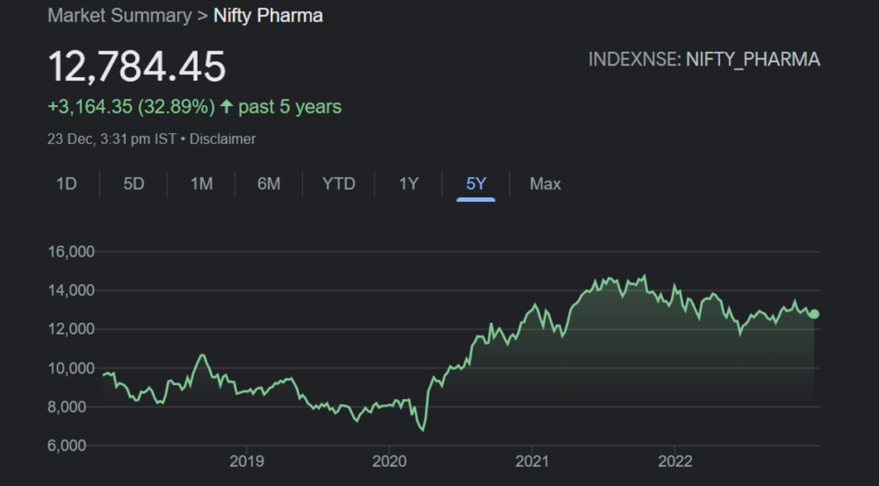
Method-1 |  |  |  |  |  |  | Method-2
Date | Price | Chg% | Returns
2022-12-22 | 12,892.75 | -0.21%
2022-12-21 | 12,920.40 | 2.39% | 1.002145 | 1.058307964
2022-12-20 | 12,618.45 | -0.22% | 0.97663 | Annualized Return = | 5.83%
2022-12-19 | 12,646.45 | 0.08% | 1.002219
2022-12-16 | 12,636.20 | -1.40% | 0.999189
2022-12-15 | 12,816.10 | -0.52% | 1.014237
2022-12-14 | 12,883.60 | 0.67% | 1.005267
2022-12-13 | 12,797.75 | 0.31% | 0.993336
2022-12-12 | 12,758.05 | -0.13% | 0.996898
2022-12-09 | 12,774.70 | 0.36% | 1.001305
2022-12-08 | 12,728.70 | -1.10% | 0.996399
2022-12-07 | 12,869.80 | -0.66% | 1.011085
2022-12-06 | 12,955.35 | -0.75% | 1.006647
2022-12-05 | 13,052.90 | -0.26% | 1.00753
2022-12-02 | 13,086.95 | -0.26% | 1.002609
2022-12-01 | 13,120.65 | -0.18% | 1.002575 |  |  | 5-Year return= | 32.89%
2022-11-30 | 13,144.20 | 0.43% | 1.001795 |  |  | Annualized return | 5.85%
2022-11-29 | 13,087.35 | 0.72% | 0.995675
2022-11-28 | 12,993.95 | 0.20% | 0.992863
2022-11-25 | 12,968.45 | 0.62% | 0.998038
2022-11-24 | 12,888.15 | 0.09% | 0.993808
2022-11-23 | 12,876.95 | 0.32% | 0.999131
2022-11-22 | 12,836.35 | 0.33% | 0.996847
2022-11-21 | 12,794.60 | -0.52% | 0.996748
2022-11-18 | 12,861.40 | -0.67% | 1.005221 |  |  |  | We chose Method-1 as both have nearly the same values and the past 1 year daily returns will convey a better outlook for the future prospects of the industry rather han plainly the return from dividing the final and initial value for the past 5 years.
2022-11-17 | 12,948.25 | -0.39% | 1.006753
2022-11-16 | 12,998.50 | -0.29% | 1.003881
2022-11-15 | 13,036.90 | 0.13% | 1.002954
2022-11-14 | 13,019.85 | 0.03% | 0.998692
2022-11-11 | 13,015.65 | 0.25% | 0.999677
2022-11-10 | 12,983.10 | -0.74% | 0.997499
2022-11-09 | 13,079.50 | -1.14% | 1.007425
2022-11-07 | 13,230.00 | -1.43% | 1.011507
2022-11-04 | 13,422.15 | -1.02% | 1.014524
2022-11-03 | 13,559.95 | 0.02% | 1.010267
2022-11-02 | 13,556.90 | 0.48% | 0.999775
2022-11-01 | 13,492.05 | 2.12% | 0.995216
2022-10-31 | 13,212.25 | 1.26% | 0.979262
2022-10-28 | 13,048.30 | -1.36% | 0.987591
2022-10-27 | 13,228.05 | 0.88% | 1.013776
2022-10-25 | 13,112.20 | 0.39% | 0.991242
2022-10-24 | 13,061.10 | 0.63% | 0.996103
2022-10-21 | 12,979.40 | -0.84% | 0.993745
2022-10-20 | 13,089.20 | 0.52% | 1.00846
2022-10-19 | 13,021.75 | 0.10% | 0.994847
2022-10-18 | 13,008.25 | 0.20% | 0.998963
2022-10-17 | 12,982.40 | 0.25% | 0.998013
2022-10-14 | 12,950.45 | 0.65% | 0.997539
2022-10-13 | 12,867.15 | 0.22% | 0.993568
2022-10-12 | 12,839.35 | 0.10% | 0.997839
2022-10-11 | 12,826.80 | -1.55% | 0.999023
2022-10-10 | 13,028.40 | -0.81% | 1.015717
2022-10-07 | 13,134.70 | -0.40% | 1.008159
2022-10-06 | 13,188.00 | -0.34% | 1.004058
2022-10-04 | 13,233.45 | 0.87% | 1.003446
2022-10-03 | 13,118.95 | 1.13% | 0.991348
2022-09-30 | 12,971.90 | 0.76% | 0.988791
2022-09-29 | 12,874.30 | 1.33% | 0.992476
2022-09-28 | 12,705.40 | 0.85% | 0.986881
2022-09-27 | 12,598.00 | 0.98% | 0.991547
2022-09-26 | 12,475.50 | -1.07% | 0.990276
2022-09-23 | 12,610.65 | -0.02% | 1.010833
2022-09-22 | 12,612.85 | 0.31% | 1.000174
2022-09-21 | 12,573.55 | -1.39% | 0.996884
2022-09-20 | 12,750.70 | 3.08% | 1.014089
2022-09-19 | 12,369.60 | 0.18% | 0.970111
2022-09-16 | 12,346.85 | -1.37% | 0.998161
2022-09-15 | 12,518.85 | -1.29% | 1.013931
2022-09-14 | 12,682.20 | -0.50% | 1.013048
2022-09-13 | 12,745.60 | 0.24% | 1.004999
2022-09-12 | 12,715.25 | 0.20% | 0.997619
2022-09-09 | 12,689.30 | -0.01% | 0.997959
2022-09-08 | 12,689.95 | -0.05% | 1.000051
2022-09-07 | 12,696.30 | 0.78% | 1.0005
2022-09-06 | 12,598.00 | 0.26% | 0.992258
2022-09-05 | 12,565.55 | 0.47% | 0.997424
2022-09-02 | 12,506.15 | -0.39% | 0.995273
2022-09-01 | 12,555.00 | -1.14% | 1.003906
2022-08-30 | 12,699.40 | 1.22% | 1.011501
2022-08-29 | 12,545.75 | -0.28% | 0.987901
2022-08-26 | 12,580.45 | -0.10% | 1.002766
2022-08-25 | 12,593.25 | -0.40% | 1.001017
2022-08-24 | 12,644.00 | -0.31% | 1.00403
2022-08-23 | 12,683.55 | 0.76% | 1.003128
2022-08-22 | 12,588.25 | -1.65% | 0.992486
2022-08-19 | 12,799.95 | -1.05% | 1.016817
2022-08-18 | 12,935.75 | -0.34% | 1.010609
2022-08-17 | 12,979.25 | 0.35% | 1.003363
2022-08-16 | 12,933.85 | 0.54% | 0.996502
2022-08-12 | 12,864.00 | -1.15% | 0.994599
2022-08-11 | 13,014.20 | 0.49% | 1.011676
2022-08-10 | 12,950.70 | 0.08% | 0.995121
2022-08-08 | 12,940.25 | 0.00% | 0.999193
2022-08-05 | 12,939.75 | -0.33% | 0.999961
2022-08-04 | 12,982.35 | 2.37% | 1.003292
2022-08-03 | 12,682.00 | -0.77% | 0.976865
2022-08-02 | 12,780.40 | 0.11% | 1.007759
2022-08-01 | 12,766.85 | -0.08% | 0.99894
2022-07-29 | 12,776.55 | 0.92% | 1.00076
2022-07-28 | 12,660.65 | 0.25% | 0.990929
2022-07-27 | 12,628.95 | 2.33% | 0.997496
2022-07-26 | 12,341.90 | -1.18% | 0.97727
2022-07-25 | 12,488.80 | -1.02% | 1.011903
2022-07-22 | 12,617.55 | -0.27% | 1.010309
2022-07-21 | 12,651.75 | -0.47% | 1.002711
2022-07-20 | 12,711.50 | 0.23% | 1.004723
2022-07-19 | 12,682.20 | -0.25% | 0.997695
2022-07-18 | 12,713.45 | -0.15% | 1.002464
2022-07-15 | 12,732.00 | 0.09% | 1.001459
2022-07-14 | 12,721.00 | 0.78% | 0.999136
2022-07-13 | 12,622.30 | 1.38% | 0.992241
2022-07-12 | 12,450.65 | -0.91% | 0.986401
2022-07-11 | 12,564.85 | 0.93% | 1.009172
2022-07-08 | 12,449.45 | 0.48% | 0.990816
2022-07-07 | 12,389.70 | 0.47% | 0.995201
2022-07-06 | 12,331.15 | 0.80% | 0.995274
2022-07-05 | 12,233.75 | 0.13% | 0.992101
2022-07-04 | 12,218.20 | -0.35% | 0.998729
2022-07-01 | 12,260.90 | 0.84% | 1.003495
2022-06-30 | 12,159.35 | -0.42% | 0.991718
2022-06-29 | 12,210.95 | -0.03% | 1.004244
2022-06-28 | 12,214.55 | -0.06% | 1.000295
2022-06-27 | 12,221.55 | 0.35% | 1.000573
2022-06-24 | 12,178.40 | 0.42% | 0.996469
2022-06-23 | 12,127.20 | 1.58% | 0.995796
2022-06-22 | 11,939.05 | -1.32% | 0.984485
2022-06-21 | 12,098.35 | 2.11% | 1.013343
2022-06-20 | 11,847.90 | 0.37% | 0.979299
2022-06-17 | 11,803.95 | -2.18% | 0.99629
2022-06-16 | 12,066.65 | -1.59% | 1.022255
2022-06-15 | 12,261.35 | 0.35% | 1.016135
2022-06-14 | 12,218.50 | 0.22% | 0.996505
2022-06-13 | 12,191.85 | -1.83% | 0.997819
2022-06-10 | 12,419.20 | -0.37% | 1.018648
2022-06-09 | 12,465.90 | 1.20% | 1.00376
2022-06-08 | 12,317.80 | 0.31% | 0.98812
2022-06-07 | 12,279.65 | -1.07% | 0.996903
2022-06-06 | 12,412.40 | -0.05% | 1.010811
2022-06-03 | 12,418.80 | -0.65% | 1.000516
2022-06-02 | 12,500.35 | 0.45% | 1.006567
2022-06-01 | 12,443.75 | -1.27% | 0.995472
2022-05-31 | 12,604.45 | -0.53% | 1.012914
2022-05-30 | 12,671.15 | 0.01% | 1.005292
2022-05-27 | 12,669.95 | 0.90% | 0.999905
2022-05-26 | 12,557.50 | 0.11% | 0.991125
2022-05-25 | 12,543.85 | -1.16% | 0.998913
2022-05-24 | 12,691.60 | -1.53% | 1.011779
2022-05-23 | 12,889.20 | -1.35% | 1.015569
2022-05-20 | 13,065.50 | 3.69% | 1.013678
2022-05-19 | 12,600.85 | -2.18% | 0.964437
2022-05-18 | 12,881.55 | 1.06% | 1.022276
2022-05-17 | 12,745.95 | 1.09% | 0.989473
2022-05-16 | 12,608.25 | -0.17% | 0.989197
2022-05-13 | 12,629.50 | 1.65% | 1.001685
2022-05-12 | 12,424.45 | -1.06% | 0.983764
2022-05-11 | 12,557.65 | -0.31% | 1.010721
2022-05-10 | 12,596.30 | -1.48% | 1.003078
2022-05-09 | 12,785.00 | -0.28% | 1.014981
2022-05-06 | 12,820.90 | -1.44% | 1.002808
2022-05-05 | 13,008.50 | -0.77% | 1.014632
2022-05-04 | 13,108.80 | -2.61% | 1.00771
2022-05-02 | 13,460.25 | -0.02% | 1.02681
2022-04-29 | 13,462.85 | -0.13% | 1.000193
2022-04-28 | 13,480.00 | 0.91% | 1.001274
2022-04-27 | 13,358.15 | -0.64% | 0.990961
2022-04-26 | 13,444.10 | 1.11% | 1.006434
2022-04-25 | 13,296.75 | -2.01% | 0.98904
2022-04-22 | 13,569.85 | -1.82% | 1.020539
2022-04-21 | 13,821.30 | 1.18% | 1.01853
2022-04-20 | 13,660.65 | 1.02% | 0.988377
2022-04-19 | 13,522.45 | -1.42% | 0.989883
2022-04-18 | 13,717.30 | -0.40% | 1.014409
2022-04-13 | 13,772.75 | 0.20% | 1.004042
2022-04-12 | 13,744.65 | -0.67% | 0.99796
2022-04-11 | 13,837.85 | -0.01% | 1.006781
2022-04-08 | 13,838.60 | 0.17% | 1.000054
2022-04-07 | 13,815.00 | 0.41% | 0.998295
2022-04-06 | 13,758.45 | -0.37% | 0.995907
2022-04-05 | 13,809.25 | 0.15% | 1.003692
2022-04-04 | 13,789.25 | 1.54% | 0.998552
2022-04-01 | 13,579.90 | -0.03% | 0.984818
2022-03-31 | 13,584.10 | -1.17% | 1.000309
2022-03-30 | 13,745.60 | -0.19% | 1.011889
2022-03-29 | 13,771.40 | 1.54% | 1.001877
2022-03-28 | 13,562.25 | -0.33% | 0.984813
2022-03-25 | 13,607.05 | -0.86% | 1.003303
2022-03-24 | 13,724.50 | 1.14% | 1.008632
2022-03-23 | 13,569.65 | 0.42% | 0.988717
2022-03-22 | 13,513.15 | -0.27% | 0.995836
2022-03-21 | 13,549.55 | 0.03% | 1.002694
2022-03-17 | 13,546.05 | 1.28% | 0.999742
2022-03-16 | 13,374.50 | 0.42% | 0.987336
2022-03-15 | 13,318.85 | -0.25% | 0.995839
2022-03-14 | 13,351.90 | -0.35% | 1.002481
2022-03-11 | 13,399.00 | 2.46% | 1.003528
2022-03-10 | 13,077.05 | 0.14% | 0.975972
2022-03-09 | 13,059.25 | 1.67% | 0.998639
2022-03-08 | 12,844.85 | 2.38% | 0.983583
2022-03-07 | 12,546.85 | -0.42% | 0.9768
2022-03-04 | 12,600.15 | -0.34% | 1.004248
2022-03-03 | 12,643.75 | -0.36% | 1.00346
2022-03-02 | 12,689.55 | -1.84% | 1.003622
2022-02-28 | 12,927.60 | 0.22% | 1.01876
2022-02-25 | 12,899.85 | 3.20% | 0.997853
2022-02-24 | 12,500.10 | -3.67% | 0.969011
2022-02-23 | 12,976.30 | 0.17% | 1.038096
2022-02-22 | 12,954.50 | -0.58% | 0.99832
2022-02-21 | 13,029.90 | -1.35% | 1.00582
2022-02-18 | 13,208.80 | -0.87% | 1.01373
2022-02-17 | 13,324.40 | -0.75% | 1.008752
2022-02-16 | 13,425.10 | 0.51% | 1.007558
2022-02-15 | 13,356.90 | 0.79% | 0.99492
2022-02-14 | 13,252.15 | -1.91% | 0.992158
2022-02-11 | 13,510.30 | -0.75% | 1.01948
2022-02-10 | 13,613.05 | 0.32% | 1.007605
2022-02-09 | 13,570.30 | 0.93% | 0.99686
2022-02-08 | 13,444.70 | 0.47% | 0.990744
2022-02-07 | 13,381.70 | -1.46% | 0.995314
2022-02-04 | 13,580.30 | -0.27% | 1.014841
2022-02-03 | 13,617.60 | -0.19% | 1.002747
2022-02-02 | 13,643.65 | 1.23% | 1.001913
2022-02-01 | 13,477.50 | 2.26% | 0.987822
2022-01-31 | 13,179.90 | 1.52% | 0.977919
2022-01-28 | 12,983.05 | 1.05% | 0.985064
2022-01-27 | 12,847.90 | -1.87% | 0.98959
2022-01-25 | 13,092.10 | 0.72% | 1.019007
2022-01-24 | 12,998.60 | -1.85% | 0.992858
2022-01-21 | 13,243.05 | -1.57% | 1.018806
2022-01-20 | 13,454.90 | -1.66% | 1.015997
2022-01-19 | 13,682.70 | -0.11% | 1.016931
2022-01-18 | 13,697.60 | -1.19% | 1.001089
2022-01-17 | 13,862.45 | -0.73% | 1.012035
2022-01-14 | 13,964.15 | -0.62% | 1.007336
2022-01-13 | 14,051.15 | 1.57% | 1.00623
2022-01-12 | 13,833.70 | -0.15% | 0.984524
2022-01-11 | 13,854.25 | -0.03% | 1.001486
2022-01-10 | 13,858.95 | 0.01% | 1.000339
2022-01-07 | 13,857.95 | -0.39% | 0.999928
2022-01-06 | 13,912.25 | -0.63% | 1.003918
2022-01-05 | 13,999.85 | -0.29% | 1.006297
2022-01-04 | 14,040.65 | -0.82% | 1.002914
2022-01-03 | 14,156.40 | -0.47% | 1.008244
2021-12-31 | 14,223.00 | 0.62% | 1.004705
2021-12-30 | 14,135.50 | 0.44% | 0.993848
2021-12-29 | 14,072.90 | 1.71% | 0.995571
2021-12-28 | 13,836.15 | 0.92% | 0.983177
2021-12-27 | 13,710.15 | 1.62% | 0.990893
2021-12-24 | 13,491.25 | -1.12% | 0.984034
2021-12-23 | 13,644.50 | 0.71% | 1.011359

